xtal selection
Selection 1 | Copy the 'best' group from sheet 'xtals sorted' , columns A to K. Start position here: row 5, max. 20 rows.
 | Select xtals in column G: good Q and best match in frequency and motional Inductance L

# | f / Hz | Q | L / mH | C /fF | C0 / pF | Select | L / H | C / F | R / Ohm | C0 / F
10 | 8,863,017 | 148,030 | 13.659 | 23.608 | 4.988 |  | 0.01365901027 | 2.36E-14 | 5.14 | 4.99E-12
38 | 8,863,020 | 137,096 | 13.527 | 23.839 | 4.957 | 1 | 0.01352670124 | 2.38E-14 | 5.49 | 4.96E-12
44 | 8,863,022 | 150,641 | 13.523 | 23.845 | 4.846 | 1 | 0.01352297704 | 2.38E-14 | 5 | 4.85E-12
78 | 8,863,023 | 140,405 | 13.756 | 23.442 | 4.917 | 1 | 0.01375594001 | 2.344154275E-14 | 5.46 | 4.916860642E-12
90 | 8,863,027 | 145,001 | 13.741 | 23.467 | 4.921 | 1 | 0.01374074292 | 2.346744945E-14 | 5.28 | 4.920838601E-12
53 | 8,863,027 | 139,313 | 13.554 | 23.790 | 4.950 |  | 0.01355427998 | 2.379028536E-14 | 5.42 | 4.949921926E-12
46 | 8,863,029 | 146,966 | 13.470 | 23.940 | 4.981 |  | 0.01346962143 | 2.39E-14 | 5.1 | 4.98E-12
80 | 8,863,030 | 138,117 | 13.800 | 23.367 | 4.939 |  | 0.01379976001 | 2.336707158E-14 | 5.56 | 4.939369883E-12
28 | 8,863,031 | 150,811 | 13.441 | 23.990 | 4.952 |  | 0.0134413635 | 2.40E-14 | 4.96 | 4.95E-12
99 | 8,863,035 | 118,478 | 13.624 | 23.668 | 4.928 |  | 0.01362446673 | 2.366768948E-14 | 6.4 | 4.928062417E-12
95 | 8,863,035 | 155,958 | 13.783 | 23.395 | 4.946 | 1 | 0.01378349228 | 2.339462525E-14 | 4.92 | 4.945981658E-12
26 | 8,863,036 | 152,951 | 13.699 | 23.540 | 4.938 | 1 | 0.01369865103 | 2.35E-14 | 4.99 | 4.94E-12
54 | 8,863,037 | 149,467 | 13.574 | 23.755 | 4.906 | 1 | 0.01357441373 | 2.375494592E-14 | 5.06 | 4.905842254E-12
131 | 8,863,038 | 89,151 | 13.866 | 23.255 | 4.960 |  | 0.0138662954 | 2.325490873E-14 | 8.66 | 4.960205443E-12
59 | 8,863,038 | 137,536 | 13.685 | 23.564 | 4.983 | 1 | 0.01368467277 | 2.356354383E-14 | 5.54 | 4.983046079E-12
61 | 8,863,038 | 120,826 | 13.379 | 24.102 | 5.055 |  | 0.01337918155 | 2.410157681E-14 | 6.17 | 5.054698283E-12
48 | 8,863,039 | 128,438 | 13.660 | 23.607 | 4.954 |  | 0.01365974667 | 2.36E-14 | 5.92 | 4.95E-12
43 | 8,863,043 | 134,233 | 13.541 | 23.813 | 4.919 |  | 0.01354136263 | 2.38E-14 | 5.62 | 4.92E-12

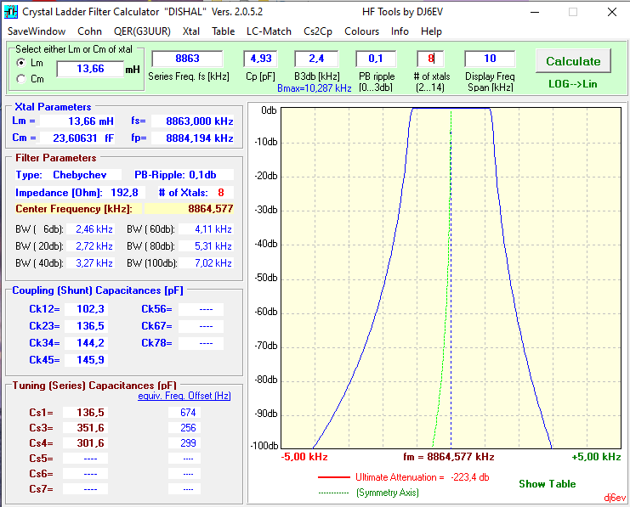
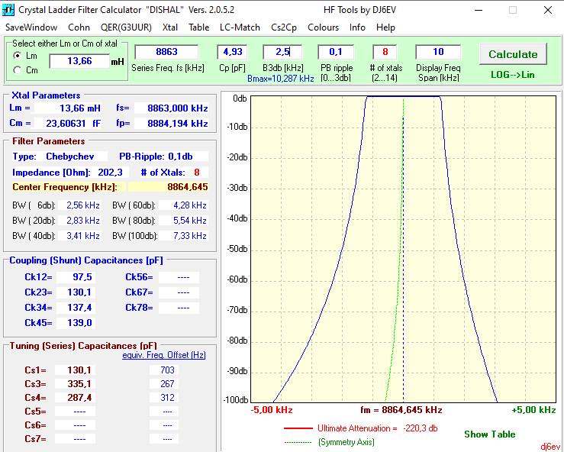
Mean | 8,863,030 | 146,132 | 13.661 | 23.606 | 4.927 | 8
Pos. Deviation | 8 | 9,826 | 0.123 | 0.240 | 0.056
Neg. Deviation | 10 | 9,036 | 0.138 | 0.211 | 0.081
Total range | 19 | 18,862 | 0.261 | 0.451 | 0.137
Pos. Deviation |  | 6.72% | 0.90% | 1.02% | 1.14%
Neg. Deviation |  | 6.18% | 1.01% | 0.89% | 1.64%

Filter band width |  |  | 2,500 | Hz
Frequency deviation +/- |  | 1.00% | 25 | Hz
Motional L deviation +/-% |  | 1.50%

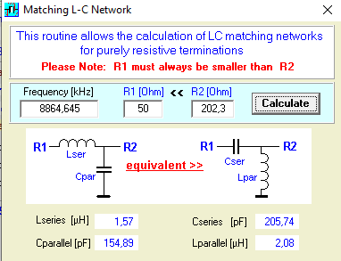
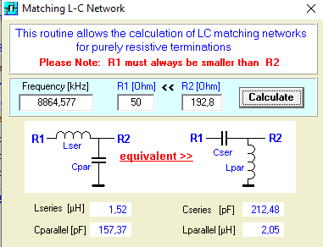
 |  |  |  |  |  |  |  |  |  |  | Z system | 50 | W | Z system | 50 | W
 |  |  |  |  |  |  |  |  |  |  | Z filter | 192.8 | W | Z filter | 202.3 | W
 |  |  |  |  |  |  |  |  |  |  | Transformer |  |  | Transformer
 |  |  |  |  |  |  |  |  |  |  | Pri | Sec |  | Pri | Sec
 |  |  |  |  |  |  |  |  |  |  | 1 | 2.0 |  | 1 | 2.0
 |  |  |  |  |  |  |  |  |  |  | 2 | 3.9 |  | 2 | 4.0
 |  |  |  |  |  |  |  |  |  |  | 3 | 5.9 |  | 3 | 6.0
 |  |  |  |  |  |  |  |  |  |  | 4 | 7.9 |  | 4 | 8.0

